Overview
CORE #0 -- Realtime Core
LEFT MOTOR
Right MOTOR
Priority =1
USB Serial Driver
Priority =1
Cmd Parser
Synch lock - core0 to core 1 data
PWM Generation -- core 0 manages
PWM Generation - core 0 manages

DIR
DIR
Driver + Motor
Driver + Motor
PWM
PWM

Priority =1
P?
Priority =1
PID Speed control loop

Priority =1
V?
Quadrature encoder interrupt
Velocity calculation
CORE #1 -- WORKER CORE
Pio -0 SM 1
A
Encoder
Quadrature encoder interrupt
velocity calculation
CORE #1 -- WORKER CORE
Pio -1 SM 1
A
Encoder
B
B
Left POS
Left VEL
Wheel VELOCITY

ESTOP !!

Synch lock - core1 to core 0 shared data

Quadrature encoders run on 2 PIO blocks, 1 per wheel
This might be cap[able of running on a single PIO using 2 SM, but interuupt issues
occured... save it for later development if PIO block is needed

Right POS

Right VEL

Sheet1
Core1 services SM IRQ's and keeps Position
Core 1
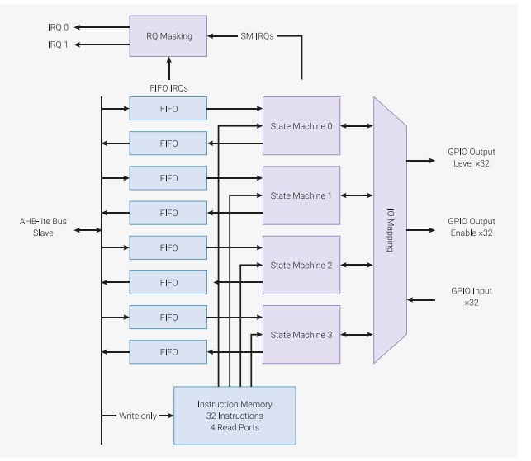

Same PIO code runs on both State Machines, but connected to different GPIO and SM IRQ's

GP3
LeftEncA
GP4
LeftEncB

GP5
RightEncA

GP6
RightEncB

IRQ relative addressing
Two Sm's are running the same code
each sm engine must set Two IRQ bits, one for count up, one for count down
With 2 sm's that means 4 total IRQ bits in the PIO Block are used
Note that these IRQ bits ARE NOT CPU IRQ BITS ( they are mapped to CPU IRQ Bits)
SO we Map SM=0 IRQ 0,2 ( up,down) to CPU IRQ 0. then
SO we Map SM=1 IRQ 1,3 ( up,down) to CPU IRQ 1. then
Then each IRQ handler on Core1 must Query the SM interrupt register to figure out wich direction to move position

wiring
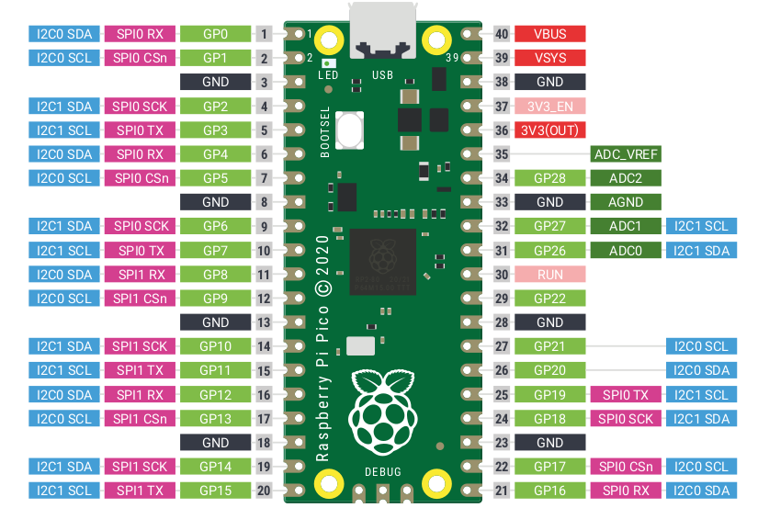

LeftPwmPin=1

LeftMTRPinA =2

LeftMTRPinB =3
LeftENCA =4
LeftENCB =5

RightENCA =6
RightENCB =7

RightPwmPin=8
RightMtrPinA=9

RightMtrPinA=10

Battery Specs
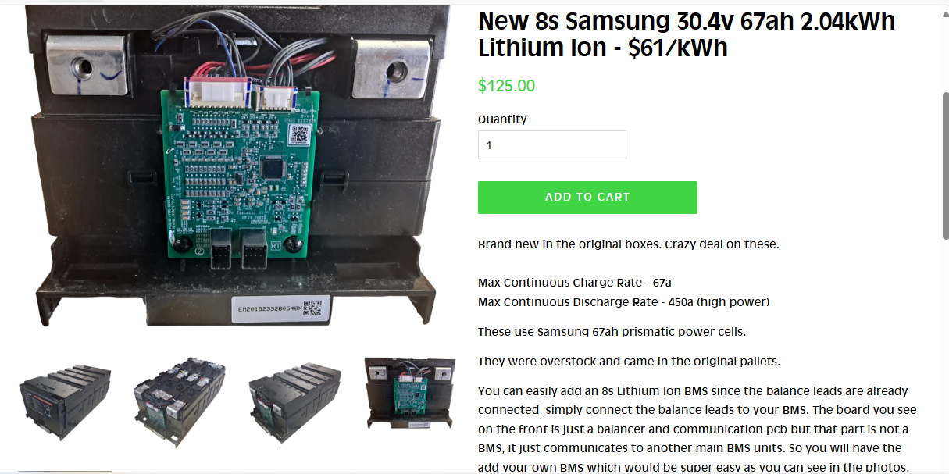
Brand new in the original boxes. Crazy deal on these.

Max Continuous Charge Rate - 67a
Max Continuous Discharge Rate - 450a (high power)
These use Samsung 67ah prismatic power cells.
They were overstock and came in the original pallets.
You can easily add an 8s Lithium Ion BMS since the balance leads are already connected, simply connect the balance leads to your BMS. The board you see on the front is just a balancer and communication pcb but that part is not a BMS, it just communicates to another main BMS units. So you will have the add your own BMS which would be super easy as you can see in the photos. The case just pops right off if you use a flat screw driver.
The modules are also light enough to ship ground instead of freight which is a huge bonus. They are 8s lithium ion with a 3.8 nominal voltage per cell and 67ah. You can expect high cycle life out of the cells since they are EV grade Samsung cells. Each cell fully charged voltage is 4.2v and fully discharged is 2.8v. The cells are in 8s configuration.
Check the 2nd photo for the specs.
Dimensions are 16.5" x 9" x 7"
Module Fully charged 33.6v
Module Fully Discharged 22.4v
Main +/- bolt size: M8 x 1.25
Weight 37 lbs
Note: Some are all black and some are black/grey. We will send you all the same color. They are both the same battery, just one has the positive post on the right and the other has it on the left.

Brand new in the original boxes. Crazy deal on these.

Max Continuous Charge Rate - 67a
Max Continuous Discharge Rate - 450a (high power)
These use Samsung 67ah prismatic power cells.
They were overstock and came in the original pallets.
You can easily add an 8s Lithium Ion BMS since the balance leads are already connected, simply connect the balance leads to your BMS. The board you see on the front is just a balancer and communication pcb but that part is not a BMS, it just communicates to another main BMS units. So you will have the add your own BMS which would be super easy as you can see in the photos. The case just pops right off if you use a flat screw driver.
The modules are also light enough to ship ground instead of freight which is a huge bonus. They are 8s lithium ion with a 3.8 nominal voltage per cell and 67ah. You can expect high cycle life out of the cells since they are EV grade Samsung cells. Each cell fully charged voltage is 4.2v and fully discharged is 2.8v. The cells are in 8s configuration.
Check the 2nd photo for the specs.
Dimensions are 16.5" x 9" x 7"
Module Fully charged 33.6v
Module Fully Discharged 22.4v
Main +/- bolt size: M8 x 1.25
Weight 37 lbs
Note: Some are all black and some are black/grey. We will send you all the same color. They are both the same battery, just one has the positive post on the right and the other has it on the left.

100A Driver
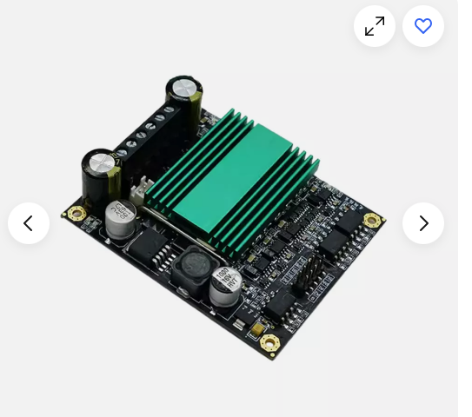
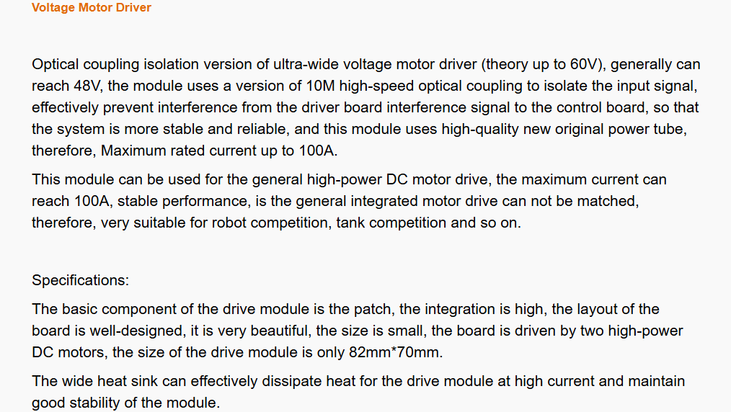

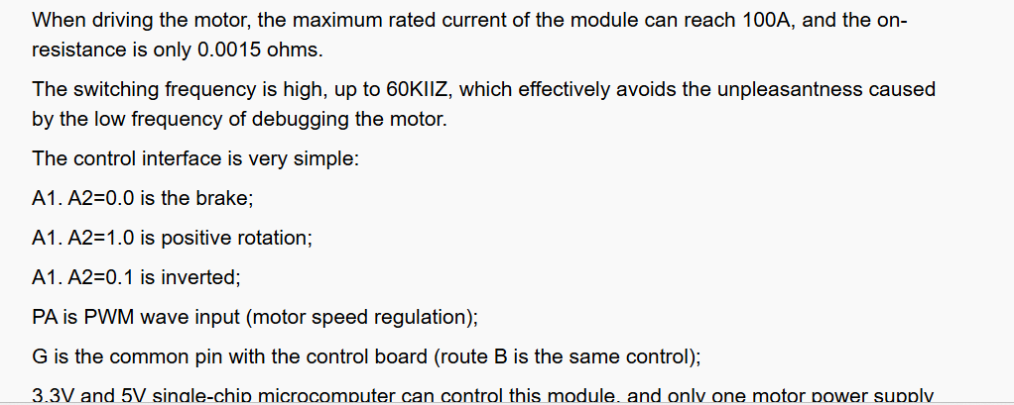

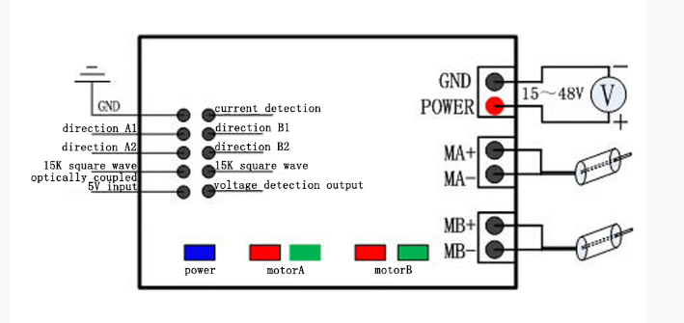

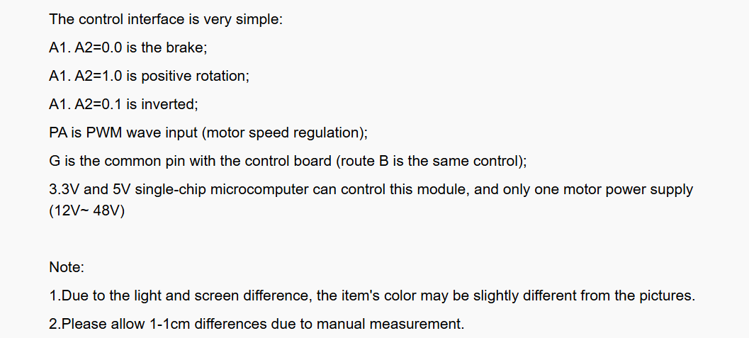

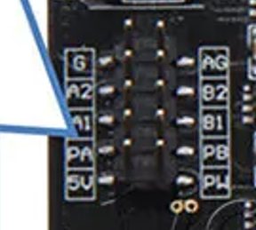

20A driver
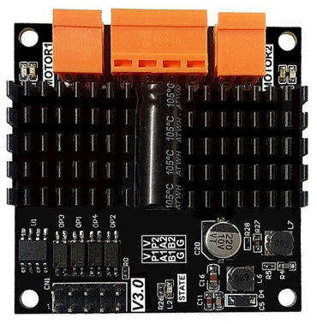

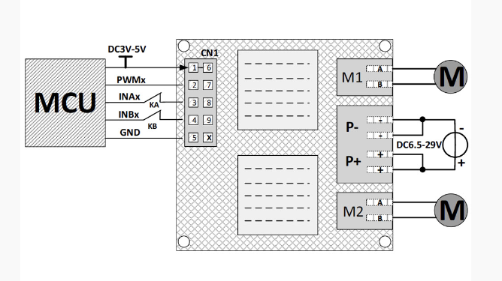

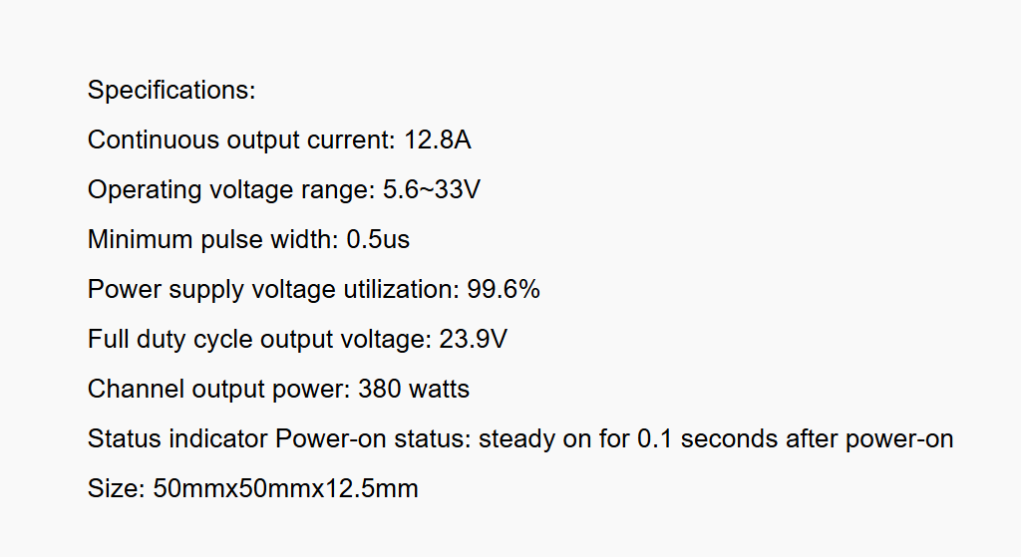

period to velocity
Period to m/s
um/us | us | m/s | m/hr
127 | 51.2 | 2.48046875 | 5.55625
127 | 51.1 | 2.4853228963 | 5.5671232877
127 | 51 | 2.4901960784 | 5.5780392157
127 | 50 | 2.54 | 5.6896
127 | 100 | 1.27 | 2.8448
127 | 250 | 0.508 | 1.13792
127 | 500 | 0.254 | 0.56896
127 | 750 | 0.16933333333 | 0.37930666667
127 | 1000 | 0.127 | 0.28448
127 | 2500 | 0.0508 | 0.113792
127 | 2510 | 0.050597609562 | 0.11333864542
127 | 2510 | 0.050597609562 | 0.11333864542
127 | 2510 | 0.050597609562 | 0.11333864542

